Sheet1
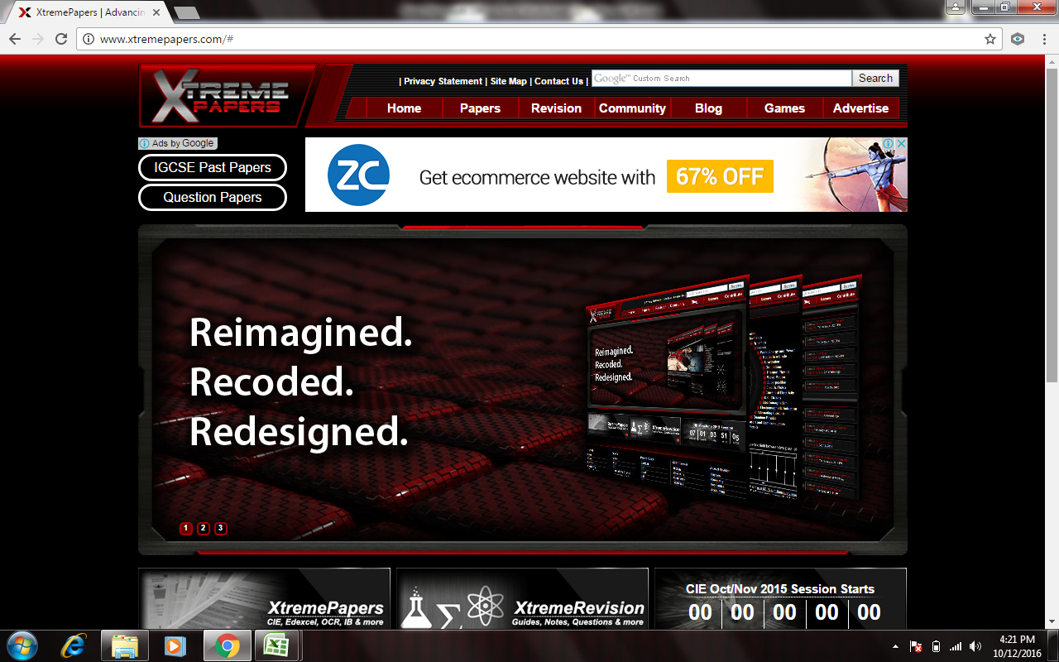
Educatalyst logo with name |  | SEARCH | CONTENT OF OUR WEBSITE |  | FACEBOOK / GMAIL LOGIN |  |  |  |  |  |  | SIGN IN/SIGN UP | CIPP | CHECK POINT | IGCSE | IB | A LEVELS | TUITIONS
 |  | ANNOUNCEMENT: |  |  |  |  |  |  |  |  |  |  | ENG | ENG | ENGLISH | ENGLISH | ENGLISH | INSTEAD OF CAMBRIDGE WE HAVE TUITIONS PAGE WILL PROVIDE U DETAILS ASAP
 |  | HOME | CIPP | CHECKPOINT | IGCSE | IB | A LEVELS | NOTES | FREE RESOURCE | TUITIONS | ABOUT US | CONTACT US | SCIENCE | SCIENCE | PHYSICS | PHYSICS | PHYSICS
 |  |  |  |  |  |  |  |  |  |  |  |  | MATHS | MATHS | CHEMISTRY | CHEMISTRY | CHEMISTRY
ADS |  |  |  |  |  |  |  |  |  |  |  |  | HUMANITY | HUMANITY | BIOLOGY | BIOLOGY | BIOLOGY
 |  |  |  |  |  |  |  |  |  |  |  |  | XXXX | XXXX | MATHS | MATHS | MATHS

5 slides |  |  |  |  |  |  |  |  |  | I WANT EXAM RESOURCES FOR |  |  | UNDER CIPP TAB |  |  | UNDER CHECK POINT TAB |  |  | UNDER IGCSE TAB |  | UNDER IB TAB |  | UNDER A LEVELS TAB

 |  |  |  |  |  |  |  |  |  | CIPP + | MCQ, THEORY,NOTES, FREE RESOURCE | IB RESOURCE | ENGLISH | GRADE 1 | MCQ | ENGLISH | GRADE 6 | MCQ | ENGLISH | MCQ | ENGLISH | MCQ | AS LEVELS
 |  |  |  |  |  |  |  |  |  |  |  |  | SCIENCE |  | THEORY | SCIENCE |  | THEORY |  | THEORY |  | THEORY | A LEVELS
 |  |  |  |  |  |  |  |  |  | CHECK POINT | MCQ, THEORY,NOTES, FREE RESOURCE | IA / EE | MATHS |  |  | MATHS
 |  |  |  |  |  |  |  |  |  |  |  |  | HUMANITY |  |  | HUMANITY |  |  | PHYSICS | MCQ | PHYSICS | MCQ | UNDER AS LEVELS TAB |  | UNDER A LEVELS TABS
 |  |  |  |  |  |  |  |  |  | IGCSE | MCQ, THEORY,NOTES, FREE RESOURCE | TOK | SAMPLE |  |  | SAMPLE |  |  |  | THEORY |  | THEORY | ENGLISH | MCQ | ENGLISH | MCQ
 |  |  |  |  |  |  |  |  |  |  |  |  |  |  |  |  |  |  |  |  |  |  |  | THEORY |  | THEORY
 |  |  |  |  |  |  |  |  |  | IB | MCQ, THEORY,NOTES, FREE RESOURCE | EE | ENGLISH | GRADE 2 | MCQ | ENGLISH | GRADE 7 | MCQ | CHEMISTRY | MCQ | CHEMISTRY | MCQ
 |  |  |  |  |  |  |  |  |  |  |  |  | SCIENCE |  | THEORY | SCIENCE |  | THEORY |  | THEORY |  | THEORY | PHYSICS | MCQ | PHYSICS | MCQ
 |  |  |  |  |  |  |  |  |  | A LEVELS | MCQ, THEORY,NOTES, FREE RESOURCE | SAT ACT HELP | MATHS |  |  | MATHS |  |  |  |  |  |  |  | THEORY |  | THEORY
 |  |  |  |  |  |  |  |  |  |  |  |  | HUMANITY |  |  | HUMANITY |  |  | BIOLOGY | MCQ | BIOLOGY | MCQ
 |  |  |  |  |  |  |  |  |  |  |  | IOP IOC | SAMPLE |  |  | SAMPLE |  |  |  | THEORY |  | THEORY | CHEMISTRY | MCQ | CHEMISTRY | MCQ
 |  |  |  |  |  |  |  |  |  |  |  |  |  |  |  |  |  |  |  |  |  |  |  | THEORY |  | THEORY
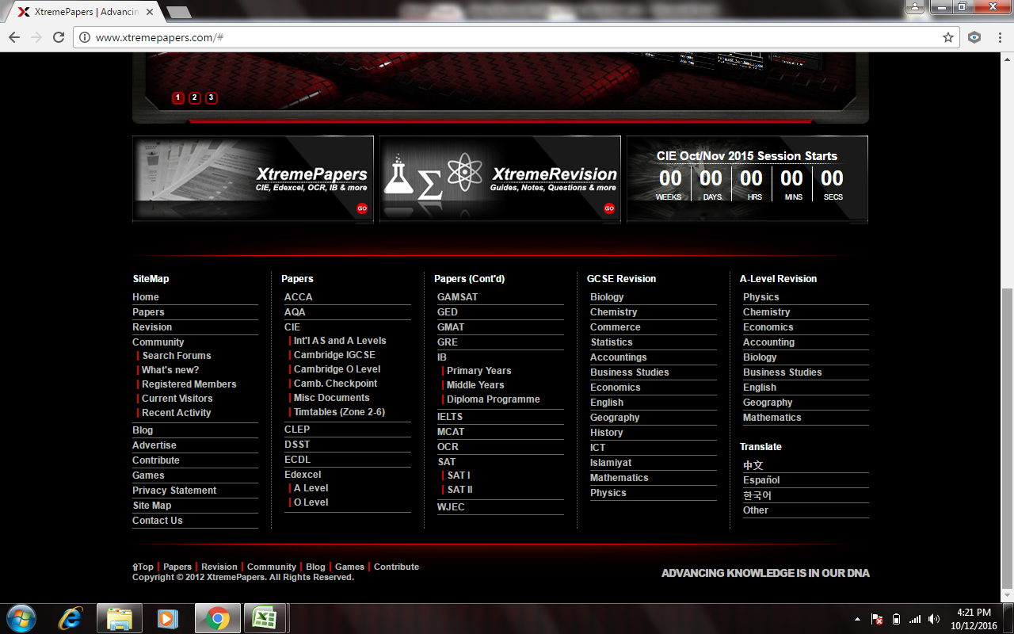
 |  |  |  |  |  |  |  |  |  |  |  |  |  |  |  |  |  |  | MATHS | MCQ | MATHS | MCQ
 |  |  |  |  |  |  |  |  |  |  |  |  |  |  |  | ENGLISH | GRADE 8 | MCQ |  | THEORY |  | THEORY | BIOLOGY | MCQ | BIOLOGY | MCQ
IMAGE 1 |  |  | IMAGE 2 |  |  |  | IMAGE 3 |  |  | IMAGE 4 |  |  |  |  |  | SCIENCE |  | THEORY |  |  |  |  |  | THEORY |  | THEORY
 |  |  |  |  |  |  |  |  |  |  |  |  |  |  |  | MATHS
 |  |  |  |  |  |  |  |  |  |  |  |  |  |  |  | HUMANITY |  |  |  |  |  |  | MATHS | MCQ | MATHS | MCQ
 |  |  |  |  |  |  |  |  |  |  |  |  |  |  |  | SAMPLE |  |  |  |  |  |  |  | THEORY |  | THEORY
text of image 1 |  |  | text of image 2 |  |  |  | TEXT OF IMAGE 3 |  |  | text of image 4
why Educatalyst | CIPP | CHECKPOINT | IGCSE | IB | A LEVELS | NOTES | IB RESOURCE | FREE RESOURCE | TUITIONS | Follow us at | Download App | CONTACT US
Our Idea | ENGLISH | ENGLISH | ENGLISH | ENGLISH | ENGLISH | CIPP | IA / EXP | CIPP | CIPP | fb | Google Play | Call us on 9890518025
Our trainer / expert | SCIENCE | SCIENCE | PHYSICS | PHYSICS | PHYSICS | CHECKPOINT | EE | CHECKPOINT | IGCSE | Linkedin | App store | login / Signup
Testimonials | MATHS | MATHS | CHEMISTRY | CHEMISTRY | CHEMISTRY | IGCSE | TOK | IGCSE | IB | youtube |  | Search
Ask a question | HUMANITY | HUMANITY | BIOLOGY | BIOLOGY | BIOLOGY | IB | IOP IOC | IB | A LEVELS | whatsapp |  | Download App
NEWS | XXXX | XXXX | MATHS | MATHS | MATHS | A LEVELS |  | A LEVELS | SAT ACT | Dropbox |  | Feed back

 |  |  |  | Disclaimer | Privacy Policy |  | Term of services |  |  |  |  | COUNTER

 |  |  |  |  |  | FREE RESOURCE |  |  | NOTES

 |  |  |  |  |  | CIPP |  |  | CIPP
 |  |  |  |  |  | CHECK POINT |  |  | CHECK POINT
 |  |  |  |  |  | IGCSE |  |  | IGCSE
 |  |  |  |  |  | IB |  |  | IB
 |  |  |  |  |  | A LEVELS |  |  | A LEVELS

 |  |  |  |  |  | CIPP |  |  | CIPP
 |  |  |  |  |  | ENGLISH |  |  | ENGLISH
 |  |  |  |  |  | SCIENCE |  |  | SCIENCE
 |  |  |  |  |  | MATHS |  |  | MATHS
 |  |  |  |  |  | HUMANITY |  |  | HUMANITY
 |  |  |  |  |  | XXXX |  |  | XXXX

 |  |  |  |  |  | ENGLISH |  |  | ENGLISH
 |  |  |  |  |  | TOPIC 1 |  |  | TOPIC WISE NOTES |  | PDF
 |  |  |  |  |  | TOPIC 2 |  |  | TOPIC WISE WORKSHEET |  | PDF
 |  |  |  |  |  |  |  |  | FULL NOTES |  | PDF
 |  |  |  |  |  | TOPIC 1 |  |  | FORMULA BOOKLET |  | PDF
 |  |  |  |  |  | VIDEO | LINK
 |  |  |  |  |  | PPT | PPT |  | TOPIC WISE NOTE
 |  |  |  |  |  | WORKSHEET | DOC PDF DOC X |  | MEASUREMENT |  | FREE SAMPLE | PREMIUM IN CONTAINER
 |  |  |  |  |  | FORMULA BOOKLET | DOC PDF DOC X |  |  |  | SAMPLE A | MEASUREMENT A
 |  |  |  |  |  |  |  |  |  |  | SAMPLE B | MEASUREMNET B
 |  |  |  |  |  |  |  |  |  |  | SAMPLE C | MEASUREMENT C
 |  |  |  |  |  |  |  |  |  |  |  | XXX
 |  |  |  |  |  |  |  |  |  |  |  | XXX
 |  |  |  |  |  |  |  |  |  |  |  | XXX

 |  |  |  |  |  |  |  |  | THERMAL |  | SAMPLE A | THERMAL A
 |  |  |  |  |  |  |  |  |  |  | SAMPLE B | THERMAL B
 |  |  |  |  |  |  |  |  |  |  | SAMPLE C | THERMAL C
 |  |  |  |  |  |  |  |  |  |  |  | XXX
 |  |  |  |  |  |  |  |  |  |  |  | XXX
 |  |  |  |  |  |  |  |  |  |  |  | XXX

 |  |  |  |  |  |  |  |  | TOPIC WISE WORKSHEET
 |  |  |  |  |  |  |  |  | MEASUREMENT
 |  |  |  |  |  |  |  |  | WORKSHEET WITH ANSWER |  | SAMPLE WORKSHEET WITH SOLN
 |  |  |  |  |  |  |  |  |  |  | SAMPLE A
 |  |  |  |  |  |  |  |  |  |  | SAMPLE B
 |  |  |  |  |  |  |  |  |  |  | SAMPLE C

 |  |  |  |  |  |  |  |  | DOWNLOAD |  | ANSWERS IN CONTAINER FOR PREMIUM
 |  |  |  |  |  |  |  |  | M1 |  | M1 ANS
 |  |  |  |  |  |  |  |  | M2 |  | M2ANS
 |  |  |  |  |  |  |  |  | M3 |  | M3 ANS

Sheet2
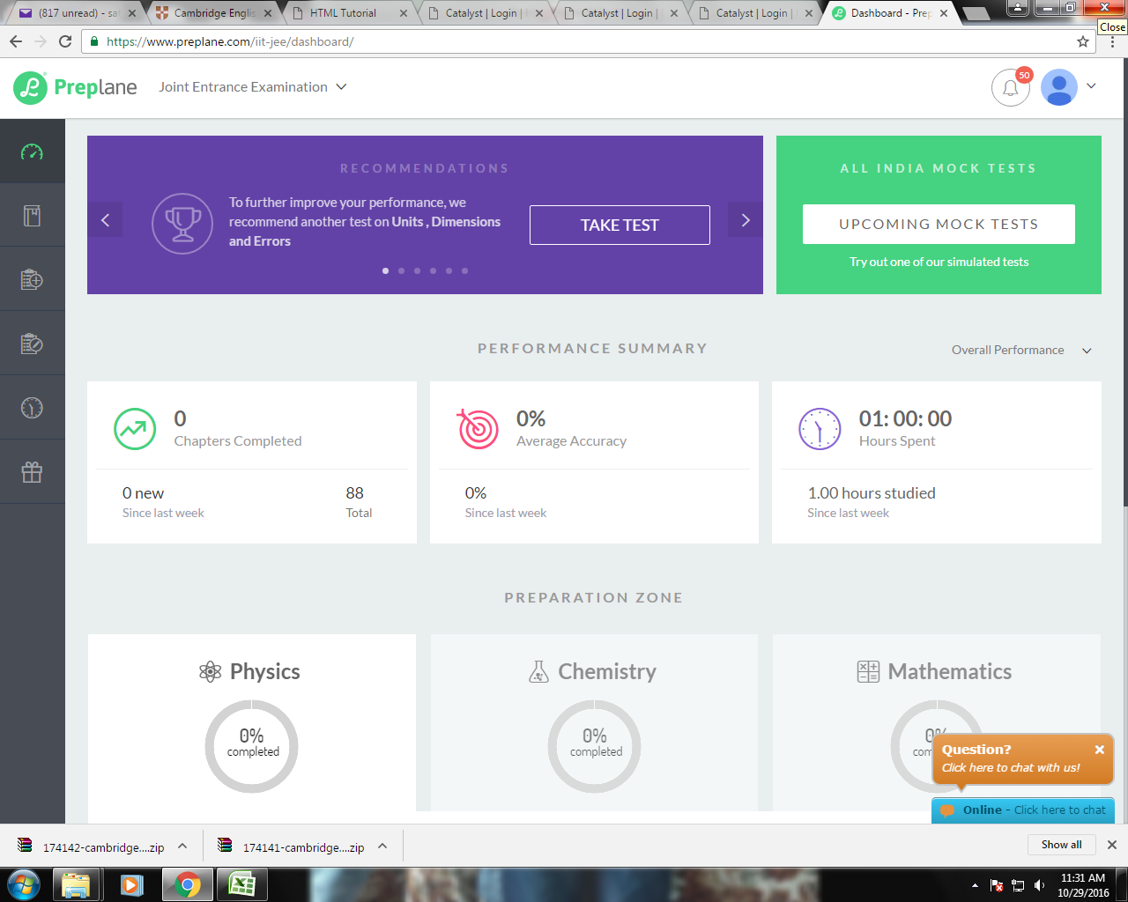

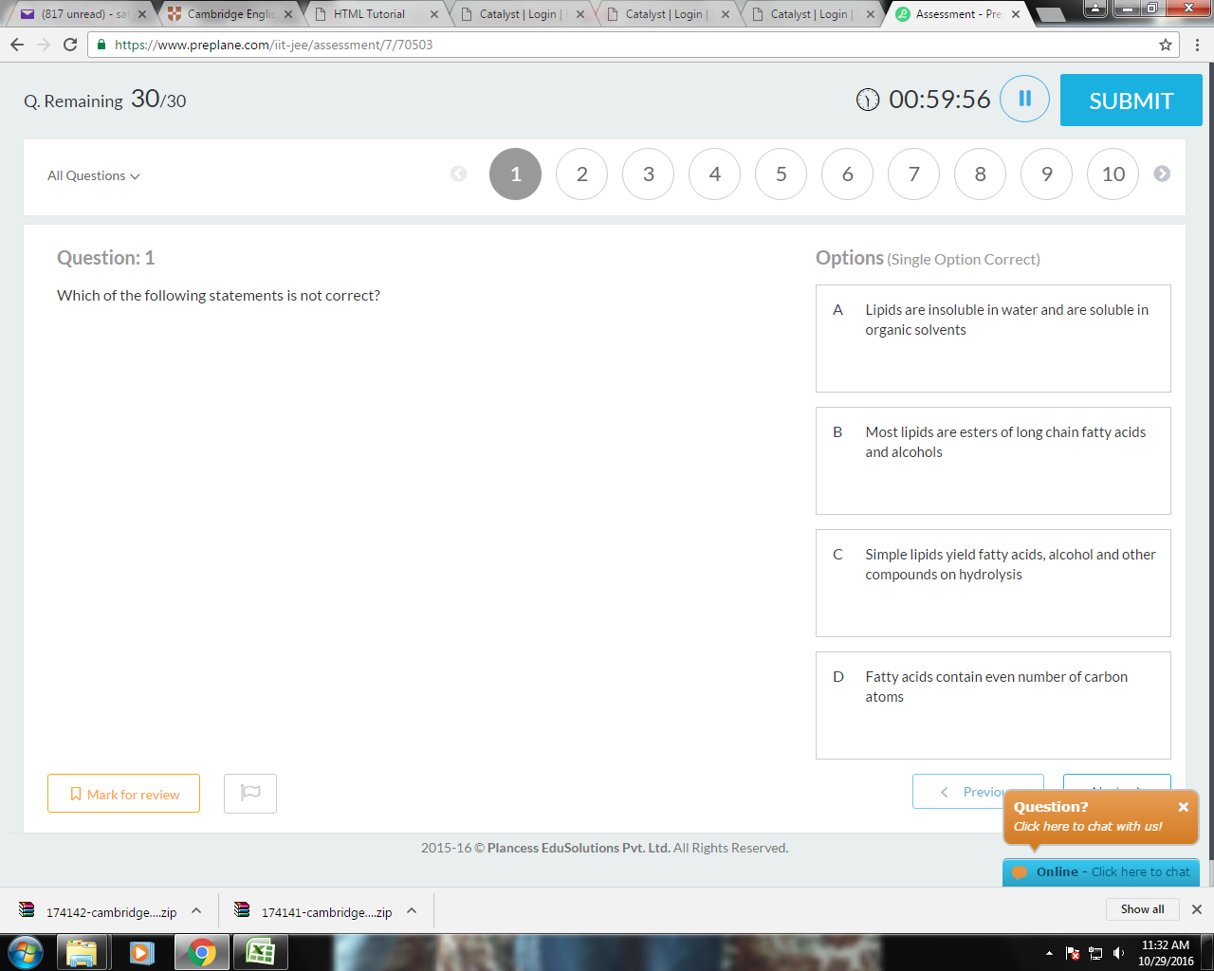

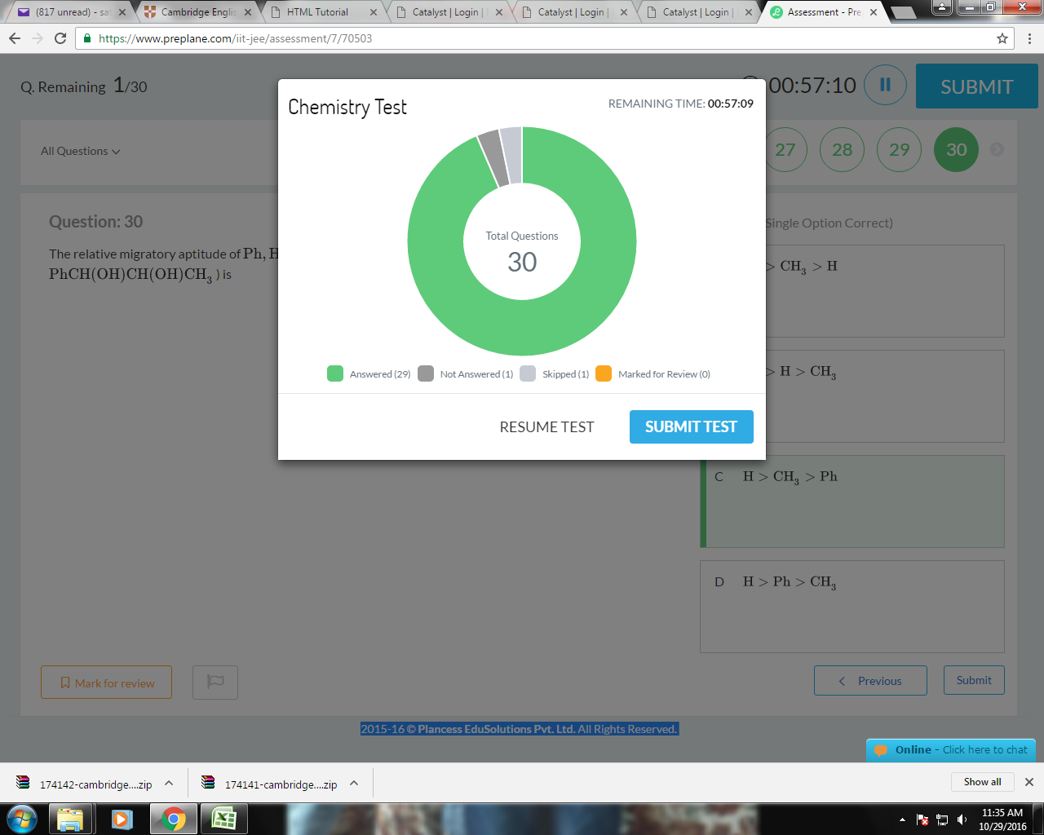

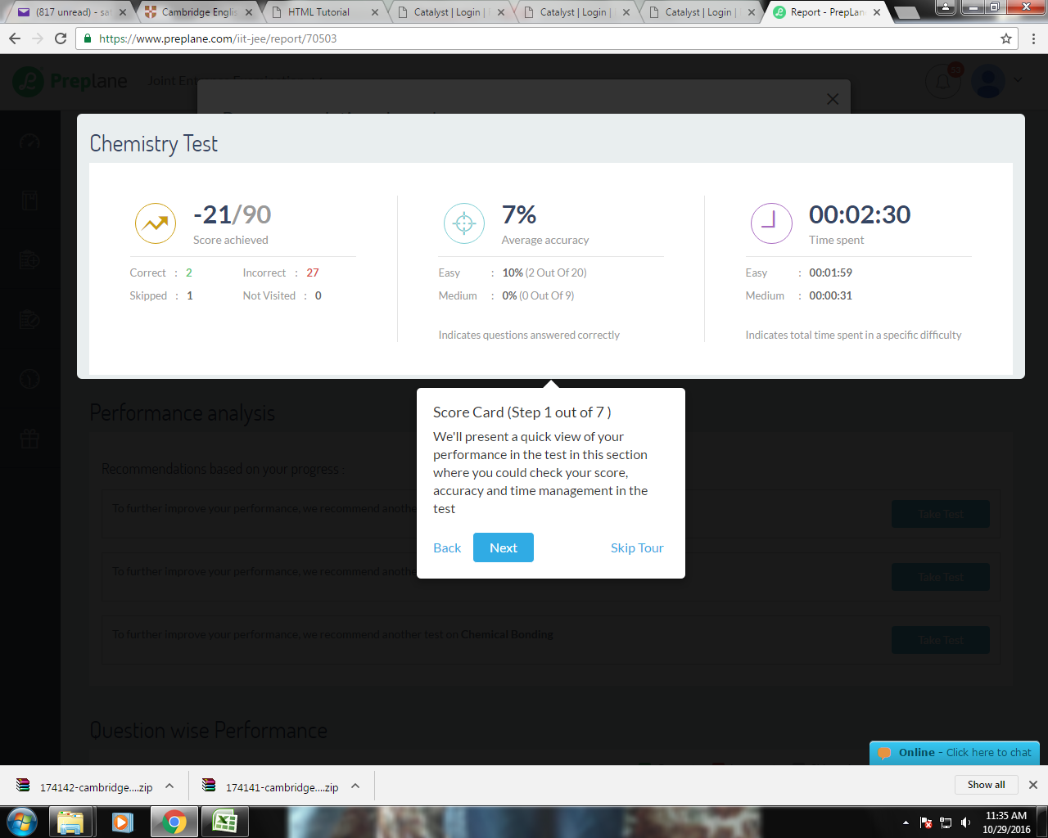

snap shot added soon

